GameStatus
TL | 231
Score | 234 | 123 | 111
Period | 4
Mins | 1
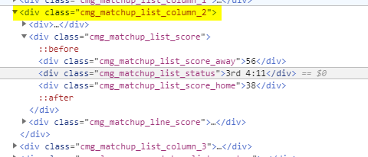
Secs | 43
Periods | 4
MinPerPeriod | 12
PtsPerMin | 4.8125
PeriodsLeft | 0
MinsLeft | 1.7166666667
GamePace | 242.26145833 |  |  |  | 3rd end
Un/OvAmt | OVER

 | Controller
UI Flow | Lg GD

BAL
 | SortedList<string, CoversDTO> ocRotation = new SortedList<string, CoversDTO>();
 | RotationDO.PopulateRotation(ocRotation, _oBballInfoDTO, _oLeagueDTO);

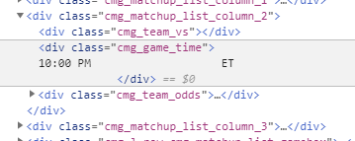
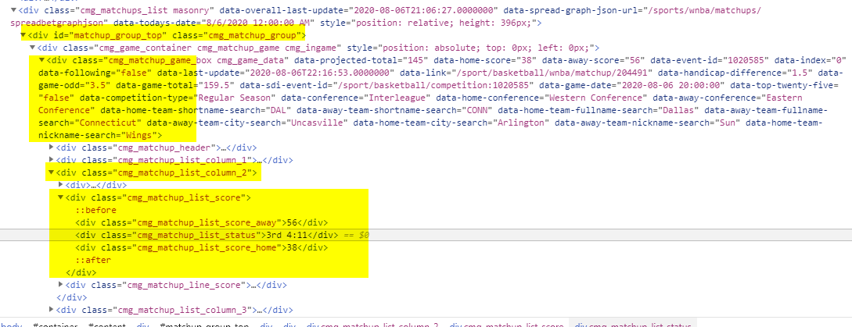
return
 | Rot#
 | Scores

 | Rot#/Gm Time | Teams | TL / Side | Scores

Bball Screenshot
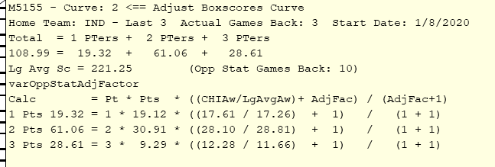
 |  |  | AdjustPoints Class |  | TeamPointPercentages
 |  |  | Parms Pt1, 2, 3 |  | % of 1, 2, 3PTers
 |  |  | Pt Adjustment Amt |  | Parms: LG, GameDate, Venue, Team, GamesBack
 |  |  | Calc |  | Select Top GamesBack Avg(Pt1, 2, 3
 |  |  | Pt1Adjusted - same for 2 & 3 |  | FROM BxSc
 |  |  |  |  | Where GD, Venue, Team Lg
 |  |  |  |  | Order Desc by GD

 |  | This top info
 |  | to be cleaned
 |  | up

One Matchup | Multi | Away
 | Line | Home
 |  | Total
 |  | 1 Line Display

 | Next Matchup ==>

 |  |  |  | 224
 |  |  |  | 222
 |  |  |  | 226

